Sheet1
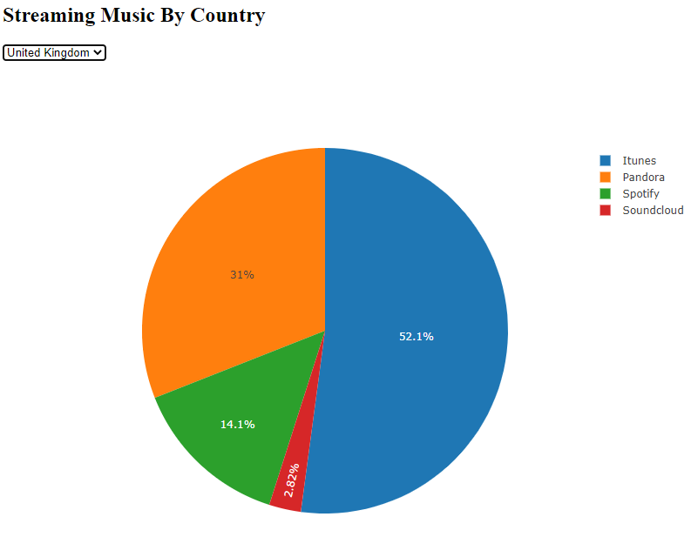
Type of Chart | Assignment #
Pie | 16/1/2 | 1 | 1

Line chart "switch" capability | 16/2/1 | 2
Multi-trace | 15/2/4 | 3
bar chart | 15/3/4 | 4

 |  |  | 2

 |  |  |  | 3

 |  |  |  |  | 4

